Mass Fractions
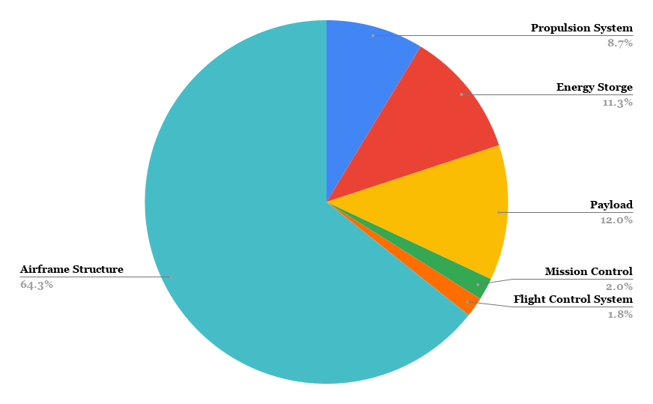

CAD Static Stabillity
W & B w/ Payload |  |  |  | W & B w/o Payload
Reference relative to nose (x0)in | (in) | Notes: |  | Reference relative to nose (x0)in | (in) | Notes:
Center of Gravity from nose | 39.09 | Imported from SolidWorks |  | Center of Gravity from nose | 39.24 | Imported from SolidWorks
Quarter Chord from nose | 38.15635 | Imported from MATLAB |  | Quarter Chord from nose | 38.15635 | Imported from MATLAB
MAC | 12.63 | Imported from MATLAB |  | MAC | 12.63 | Imported from MATLAB
MAC Leading edge | 35 | Imported from Solidworks |  | MAC Leading edge | 35 | Imported from Solidworks
Neutral Point | 41.49 | Imported from MATLAB |  | Neutral Point | 41.49 | Imported from MATLAB
Nose to tail | 78.06 | Imported from Solidworks |  | Nose to tail | 78.06 | Imported from Solidworks
Reference's as % of MAC | (%) | Notes: |  | Reference's as % of MAC | (%) | Notes:
CG | 32.40 |  |  | CG | 33.58
Neutral Point (NP) | 51.40 |  |  | Neutral Point (NP) | 51.40
Static Margin (SM) | 19.01 | %SM > 0 → stable (CG ahead of NP) %SM = 0 → neutral %SM < 0 → unstable |  | Static Margin (SM) | 17.82 | %SM > 0 → stable (CG ahead of NP) %SM = 0 → neutral %SM < 0 → unstable

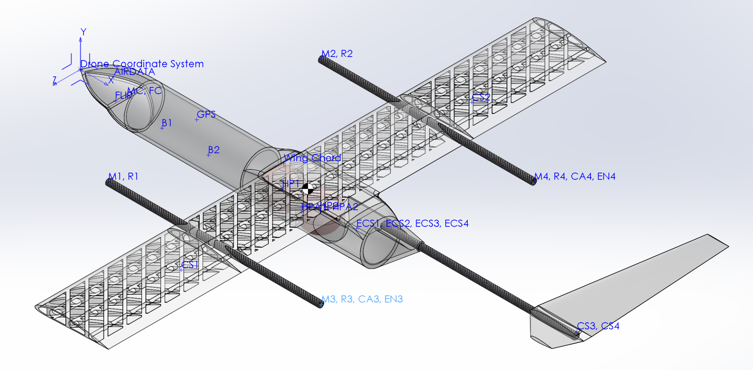

 | Static Margin shift after Payload deployment (%): | 1.19 | (To the aft)
Mass properties of CoDR_Assem_CG |  |  |  | Mass properties of CoDR_Assem_CG
Configuration: Default |  |  |  | Configuration: Default
Coordinate system: Drone Coordinate System |  |  |  | Coordinate system: Drone Coordinate System

* Includes the mass properties of one or more hidden components/bodies. |  |  |  | * Includes the mass properties of one or more hidden components/bodies.

Mass = 55.03 pounds |  |  |  | Mass = 48.42 pounds

Volume = 1690.52 cubic inches |  |  |  | Volume = 1475.47 cubic inches

Surface area = 7882.78 square inches |  |  |  | Surface area = 7650.82 square inches

Center of mass: ( inches ) |  |  |  | Center of mass: ( inches )
 | X = 39.10 |  |  |  | X = 39.24
 | Y = 1.76 |  |  |  | Y = 2.07
 | Z = 0.00 |  |  |  | Z = 0.00

Principal axes of inertia and principal moments of inertia: ( pounds * square inches ) |  |  |  | Principal axes of inertia and principal moments of inertia: ( pounds * square inches )
Taken at the center of mass. |  |  |  | Taken at the center of mass.
 | Ix = ( 1.00, 0.09, 0.00) | Px = 10910.46 |  |  | Ix = ( 1.00, 0.09, 0.00) | Px = 10852.00
 | Iy = ( 0.00, 0.00, -1.00) | Py = 17223.95 |  |  | Iy = ( 0.00, 0.00, -1.00) | Py = 17083.55
 | Iz = (-0.09, 1.00, 0.00) | Pz = 27587.44 |  |  | Iz = (-0.09, 1.00, 0.00) | Pz = 27482.59

Moments of inertia: ( pounds * square inches ) |  |  |  | Moments of inertia: ( pounds * square inches )
Taken at the center of mass and aligned with the output coordinate system. (Using positive tensor notation.) |  |  |  | Taken at the center of mass and aligned with the output coordinate system. (Using positive tensor notation.)
 | Lxx = 11045.51 | Lxy = 1494.69 | Lxz = 0.42 |  | Lxx = 10984.06 | Lxy = 1476.08 | Lxz = 0.36
 | Lyx = 1494.69 | Lyy = 27452.38 | Lyz = 0.35 |  | Lyx = 1476.08 | Lyy = 27350.53 | Lyz = 0.22
 | Lzx = 0.42 | Lzy = 0.35 | Lzz = 17223.95 |  | Lzx = 0.36 | Lzy = 0.22 | Lzz = 17083.55

Moments of inertia: ( pounds * square inches ) |  |  |  | Moments of inertia: ( pounds * square inches )
Taken at the output coordinate system. (Using positive tensor notation.) |  |  |  | Taken at the output coordinate system. (Using positive tensor notation.)
 | Ixx = 11216.09 | Ixy = 5282.52 | Ixz = 2.54 |  | Ixx = 11191.42 | Ixy = 5408.33 | Ixz = 4.30
 | Iyx = 5282.52 | Iyy = 111563.35 | Iyz = 0.44 |  | Iyx = 5408.33 | Iyy = 101919.97 | Iyz = 0.43
 | Izx = 2.54 | Izy = 0.44 | Izz = 101505.51 |  | Izx = 4.30 | Izy = 0.43 | Izz = 91860.35

One or more components have overridden mass properties: |  |  |  | One or more components have overridden mass properties:
 | Payload_Bay<1><Default> |  |  |  | Payload_Bay<1><Default>
 | Mid_Wing_LW<1><Default> |  |  |  | Mid_Wing_LW<1><Default>
 | Wing_ends<1><Default> |  |  |  | Wing_ends<1><Default>
 | Wing_ends<2><Default> |  |  |  | Wing_ends<2><Default>
 | FWD_AVI_BAY<1><Default> |  |  |  | FWD_AVI_BAY<1><Default>
 | Vtail_V8_Cone<2><Default>@Vtail_V8<1><Default> |  |  |  | Vtail_V8_Cone<2><Default>@Vtail_V8<1><Default>
 | Vtail_V9_Surface<1><Default>@Vtail_V8<1><Default> |  |  |  | Vtail_V9_Surface<1><Default>@Vtail_V8<1><Default>
 | AIRDATA<1><Default> |  |  |  | AIRDATA<1><Default>
 | B1<1><Default> |  |  |  | B1<1><Default>
 | B2<1><Default> |  |  |  | B2<1><Default>
 | CS1<1><Default> |  |  |  | CS1<1><Default>
 | CS2<1><Default> |  |  |  | CS2<1><Default>
 | CS3, CS4<1><Default> |  |  |  | CS3, CS4<1><Default>
 | ECS1, ECS2, ECS3, ECS4<1><Default> |  |  |  | ECS1, ECS2, ECS3, ECS4<1><Default>
 | FLIR<1><Default> |  |  |  | FLIR<1><Default>
 | GPS<1><Default> |  |  |  | GPS<1><Default>
 | HPA1, HPA2<1><Default> |  |  |  | HPA1, HPA2<1><Default>
 | M1, R1<1><Default> |  |  |  | M1, R1<1><Default>
 | M2, R2<1><Default> |  |  |  | M2, R2<1><Default>
 | M3, R3, CA3, EN3<1><Default> |  |  |  | M3, R3, CA3, EN3<1><Default>
 | M4, R4, CA4, EN4<1><Default> |  |  |  | M4, R4, CA4, EN4<1><Default>
 | MC, FC<1><Default> |  |  |  | MC, FC<1><Default>
 | Fire Munition<1><Default>
 | Fire Munition<2><Default>

CAD output for Dynamic Stabilli
Jager Dynamics |  |  |  |  | Jager Geometry
Mass properties of CoDR_Assem_CG |  |  |  |  | Length (from Nose) | (in) | (ft)
Configuration: Default |  |  |  |  | Wing LE | 35 | 2.916666667
Coordinate system: Body Axes |  |  |  |  | WingQC | 38.15635 | 3.179695833
 |  |  |  |  | Tail LE | 78.06 | 6.505
* Includes the mass properties of one or more hidden components/bodies. |  |  |  |  | TailQC | 80.36366 | 6.696971667
 |  |  |  |  | Center of Gravity | 39.09 | 3.2575
Mass = 55.0313 pounds |  |  |  |  | Wing chord to CG Delta z | -1.74 | -0.145
 |  |  |  |  | NP | 41.49 | 3.4575
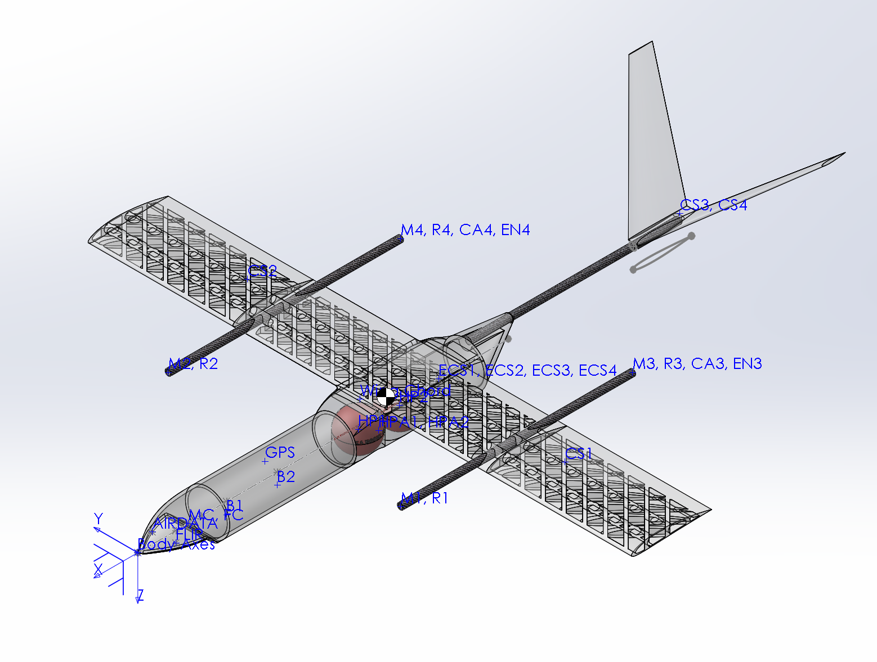
Volume = 0.9783 cubic feet

Surface area = 54.7415 square feet

Center of mass: ( feet )
 | X = -3.2579
 | Y = -0.0001
 | Z = -0.1467

Principal axes of inertia and principal moments of inertia: ( pounds * square feet )
Taken at the center of mass.
 | Ix = (-0.9959, -0.0001, -0.0900) | Px = 75.7671
 | Iy = (-0.0001, 1.0000, 0.0000) | Py = 119.6108
 | Iz = ( 0.0900, 0.0000, -0.9959) | Pz = 191.5794

Moments of inertia: ( pounds * square feet )
Taken at the center of mass and aligned with the output coordinate system. (Using positive tensor notation.) |  |  |  | Check units!
 | Lxx = 76.7050 | Lxy = 0.0029 | Lxz = 10.3798
 | Lyx = 0.0029 | Lyy = 119.6108 | Lyz = 0.0024
 | Lzx = 10.3798 | Lzy = 0.0024 | Lzz = 190.6415

Moments of inertia: ( pounds * square feet )
Taken at the output coordinate system. (Using positive tensor notation.)
 | Ixx = 77.8895 | Ixy = 0.0176 | Ixz = 36.6842
 | Iyx = 0.0176 | Iyy = 704.8994 | Iyz = 0.0031
 | Izx = 36.6842 | Izy = 0.0031 | Izz = 774.7455

One or more components have overridden mass properties:
 | Payload_Bay<1><Default>
 | Mid_Wing_LW<1><Default>
 | Wing_ends<1><Default>
 | Wing_ends<2><Default>
 | FWD_AVI_BAY<1><Default>
 | Vtail_V8_Cone<2><Default>@Vtail_V8<1><Default>
 | Vtail_V9_Surface<1><Default>@Vtail_V8<1><Default>
 | AIRDATA<1><Default>
 | B1<1><Default>
 | B2<1><Default>
 | CS1<1><Default>
 | CS2<1><Default>
 | CS3, CS4<1><Default>
 | ECS1, ECS2, ECS3, ECS4<1><Default>
 | FLIR<1><Default>
 | GPS<1><Default>
 | HPA1, HPA2<1><Default>
 | M1, R1<1><Default>
 | M2, R2<1><Default>
 | M3, R3, CA3, EN3<1><Default>
 | M4, R4, CA4, EN4<1><Default>
 | MC, FC<1><Default>
 | Fire Munition<1><Default>
 | Fire Munition<2><Default>

✅ Final Dynamic Stabillity Anal
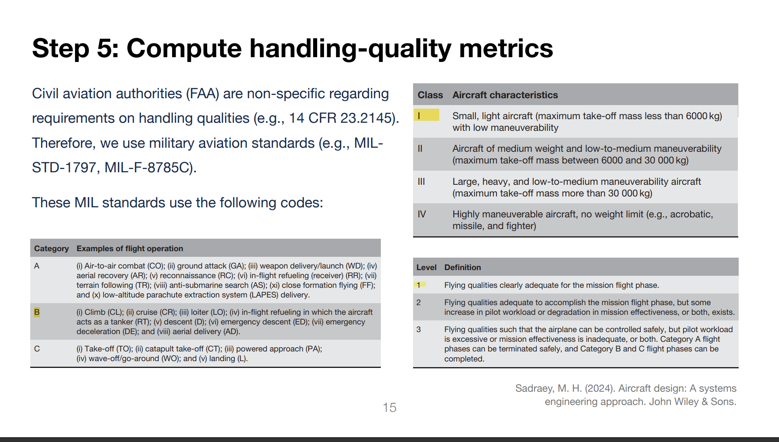
LONGITUDINAL EIGENVALUES | Target:
-1.5573 + 4.5714i
-1.5573 - 4.5714i
-0.0055 + 0.5198i
-0.0055 - 0.5198i

LATERAL EIGENVALUES
-0.1809 + 2.6533i
-0.1809 - 2.6533i
-2.3794 + 0.0000i
0.1747 + 0.0000i

LONGITUDINAL HANDLING QUALITY
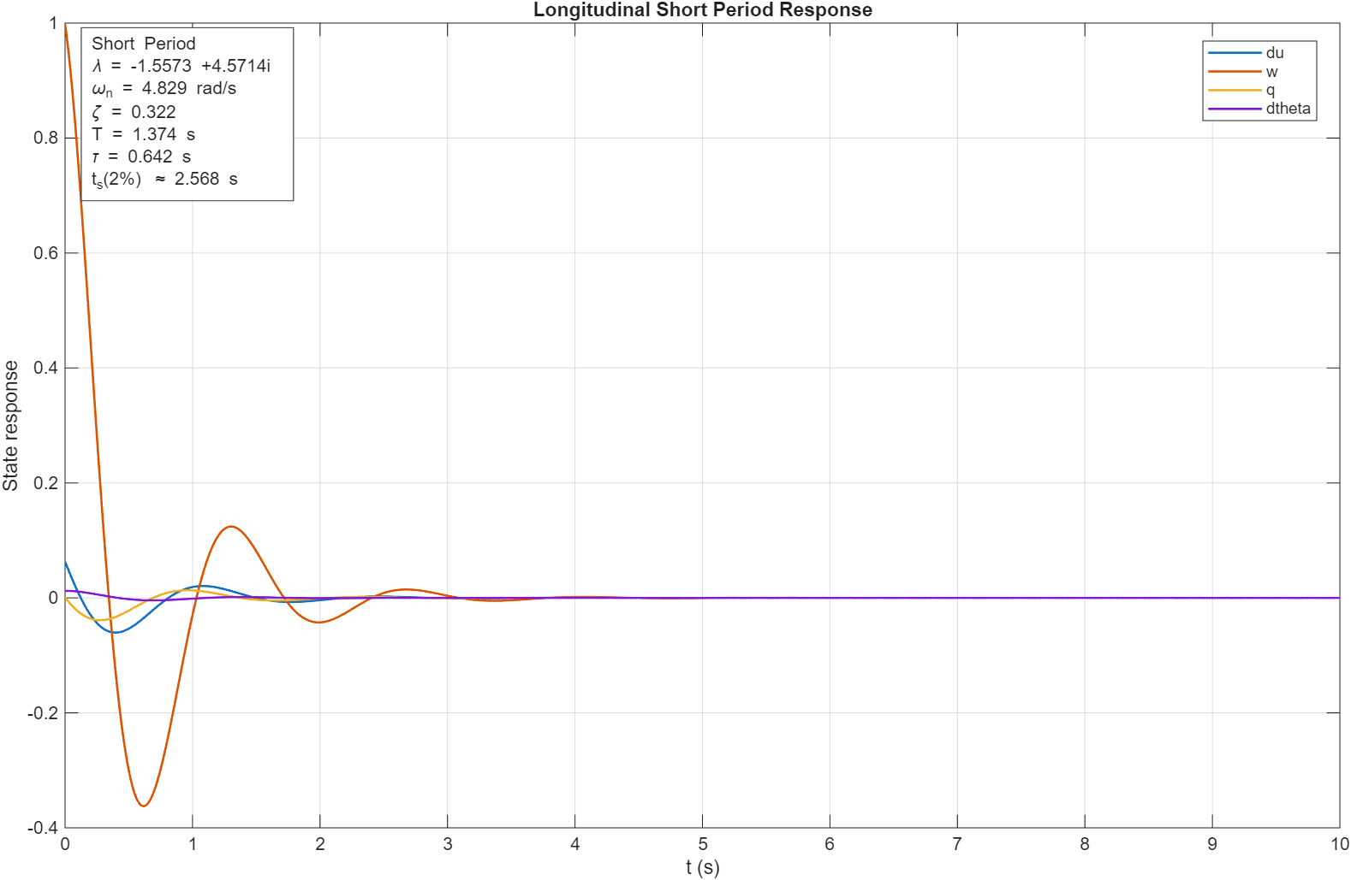
Short Period:
lambda = -1.5573 +4.5714i
wn = 4.8294 rad/s
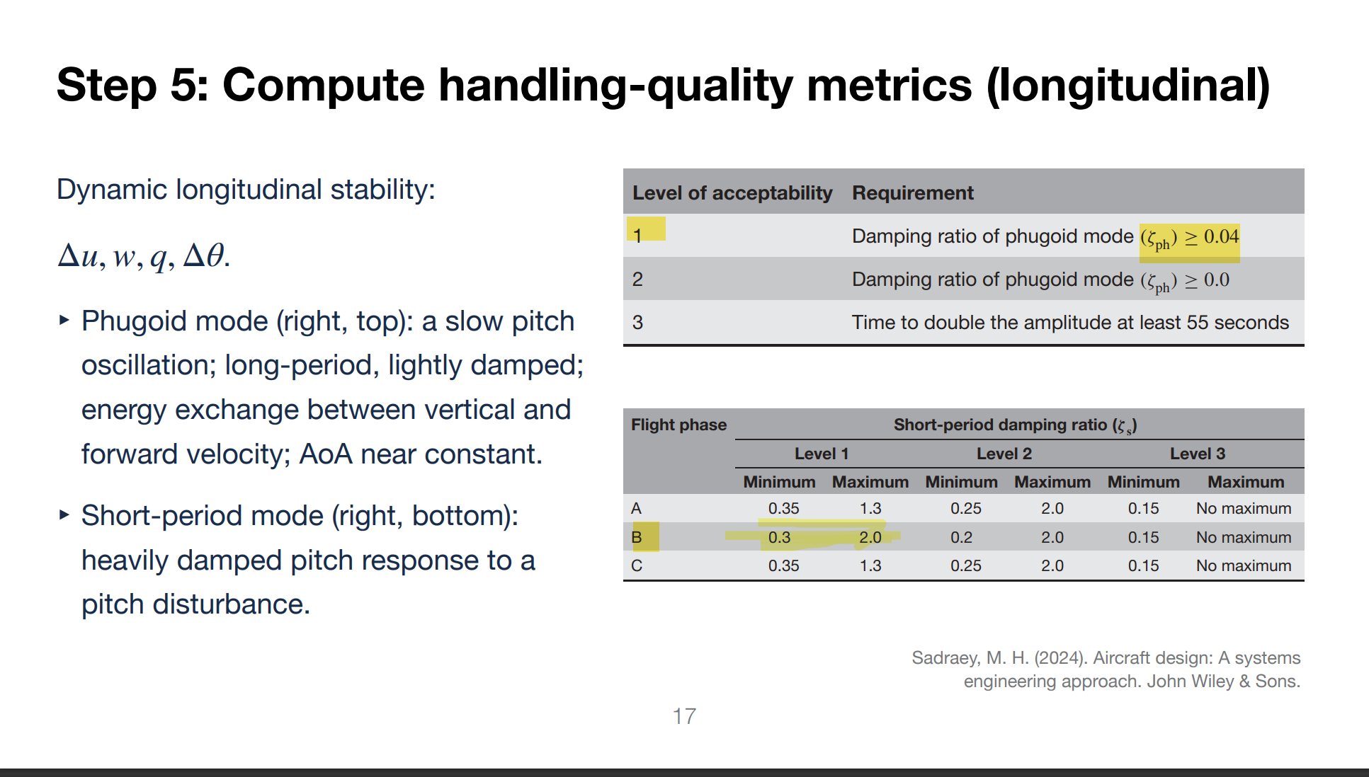
zeta = 0.3225
period = 1.3745 s
tau = 0.6421 s
ts(2%) = 2.5685 s
HQ assess = Level 1 / acceptable for Phase B damping range

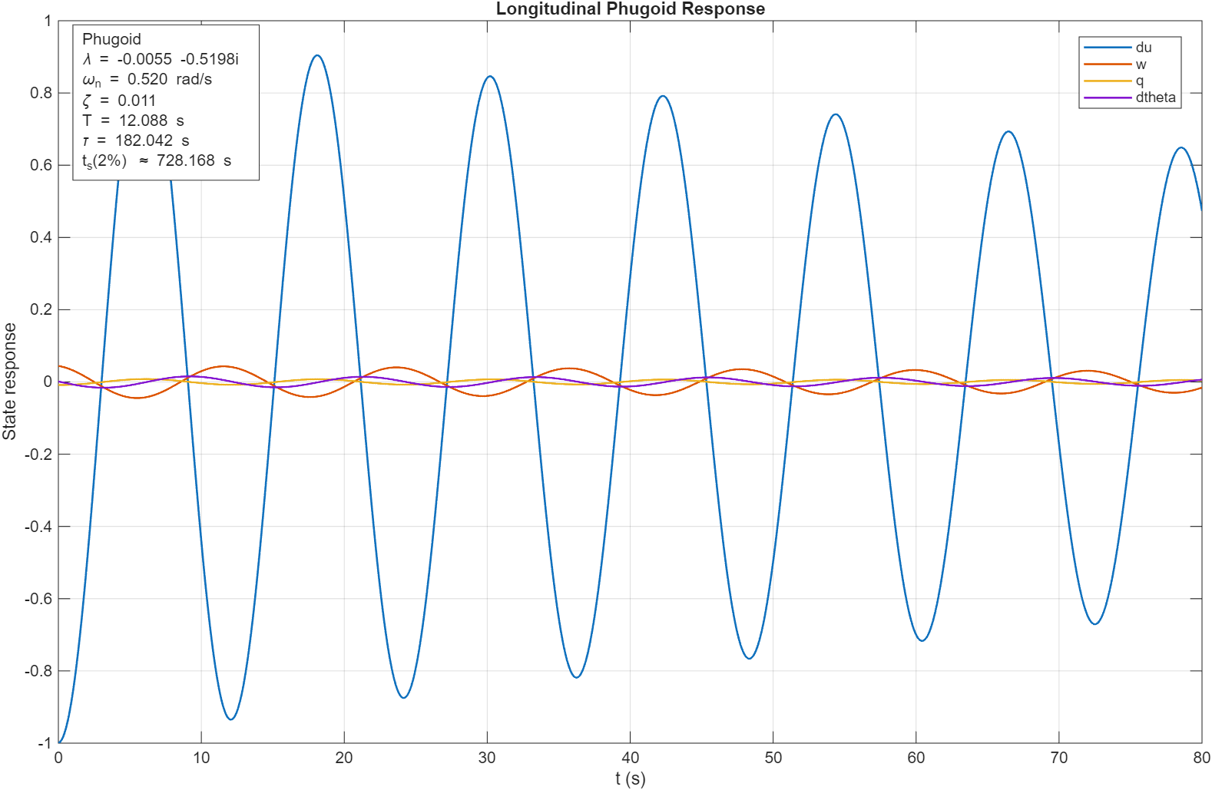
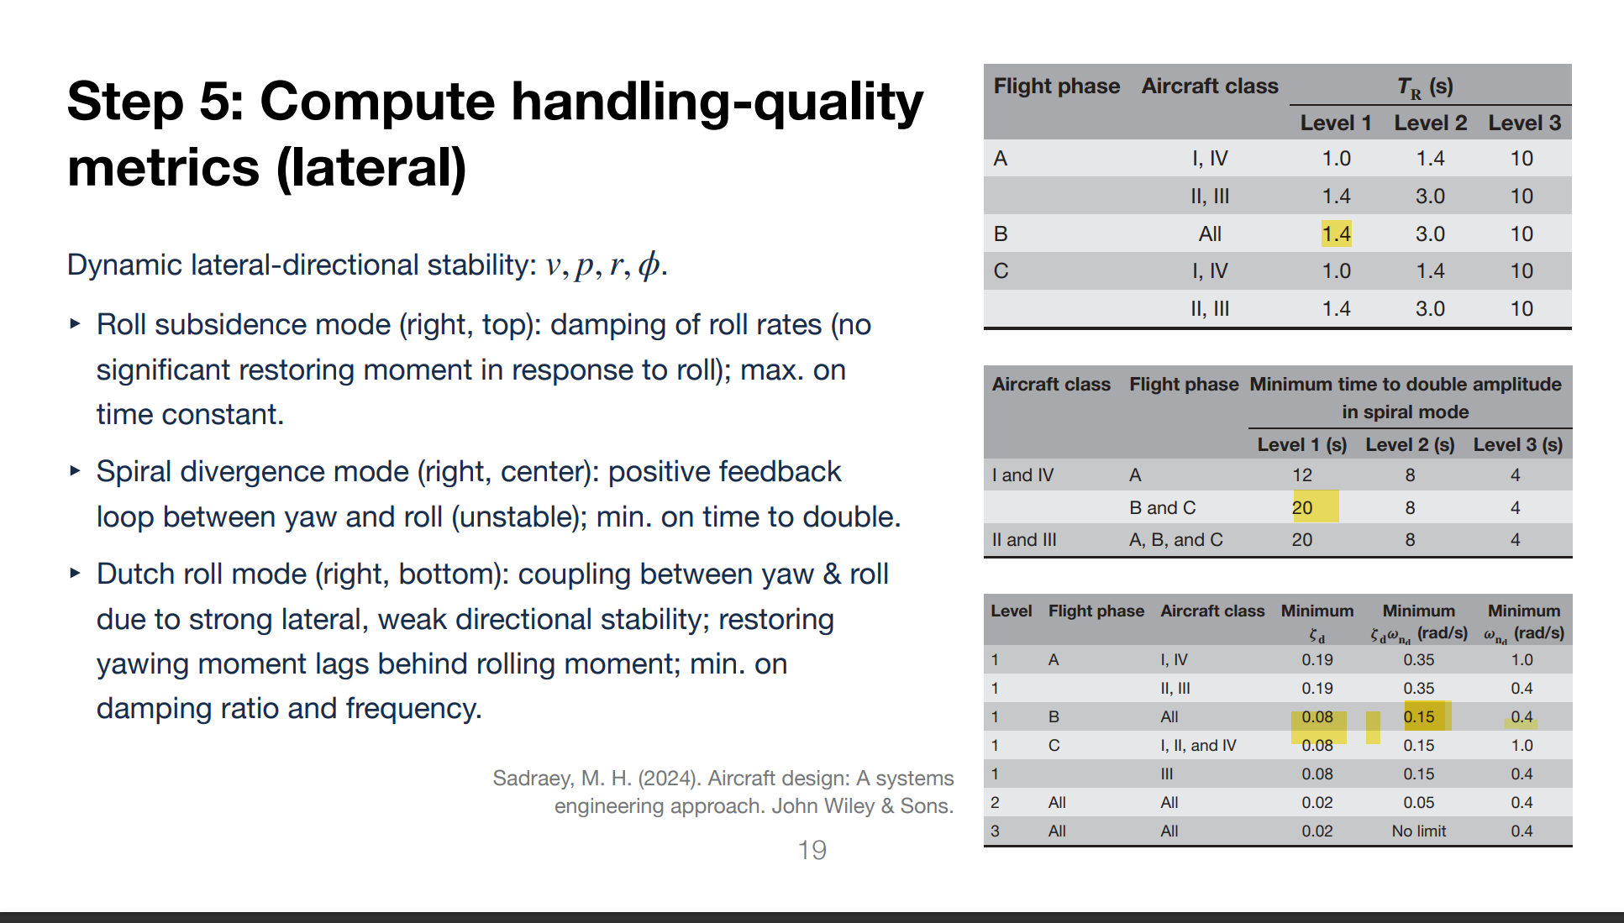
Phugoid:
lambda = -0.0055 -0.5198i
wn = 0.5198 rad/s
zeta = 0.0106
period = 12.0878 s
tau = 182.0421 s
ts(2%) = 728.1684 s
HQ assess = Stable, but below nominal Level 1 phugoid damping

LATERAL HANDLING QUALITY

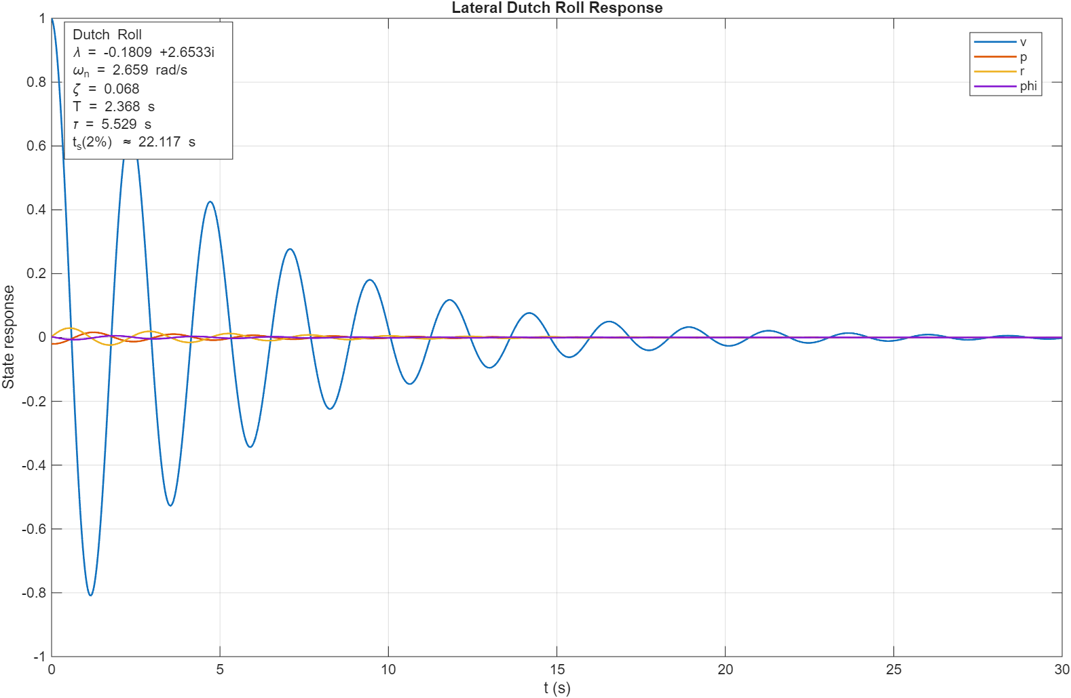
Dutch Roll:
lambda = -0.1809 +2.6533i
wn = 2.6595 rad/s
zeta = 0.0680
zeta*wn = 0.1809
period = 2.3681 s
tau = 5.5292 s
ts(2%) = 22.1168 s
HQ assess = Stable, but below nominal Level 1 Dutch-roll criterion

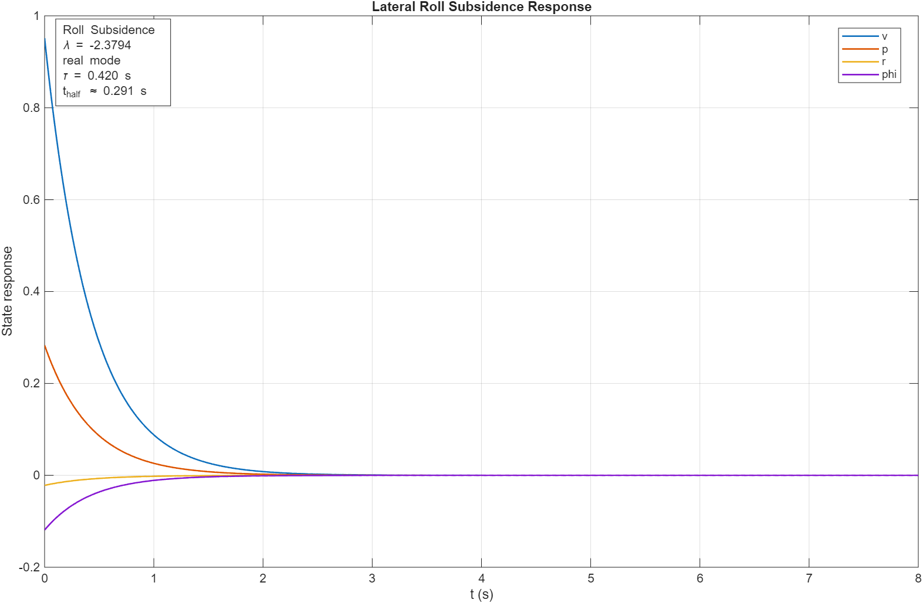
Roll Subsidence:
lambda = -2.379373
tau = 0.4203 s
t_half = 0.2913 s
HQ assess = Level 1 first-cut check

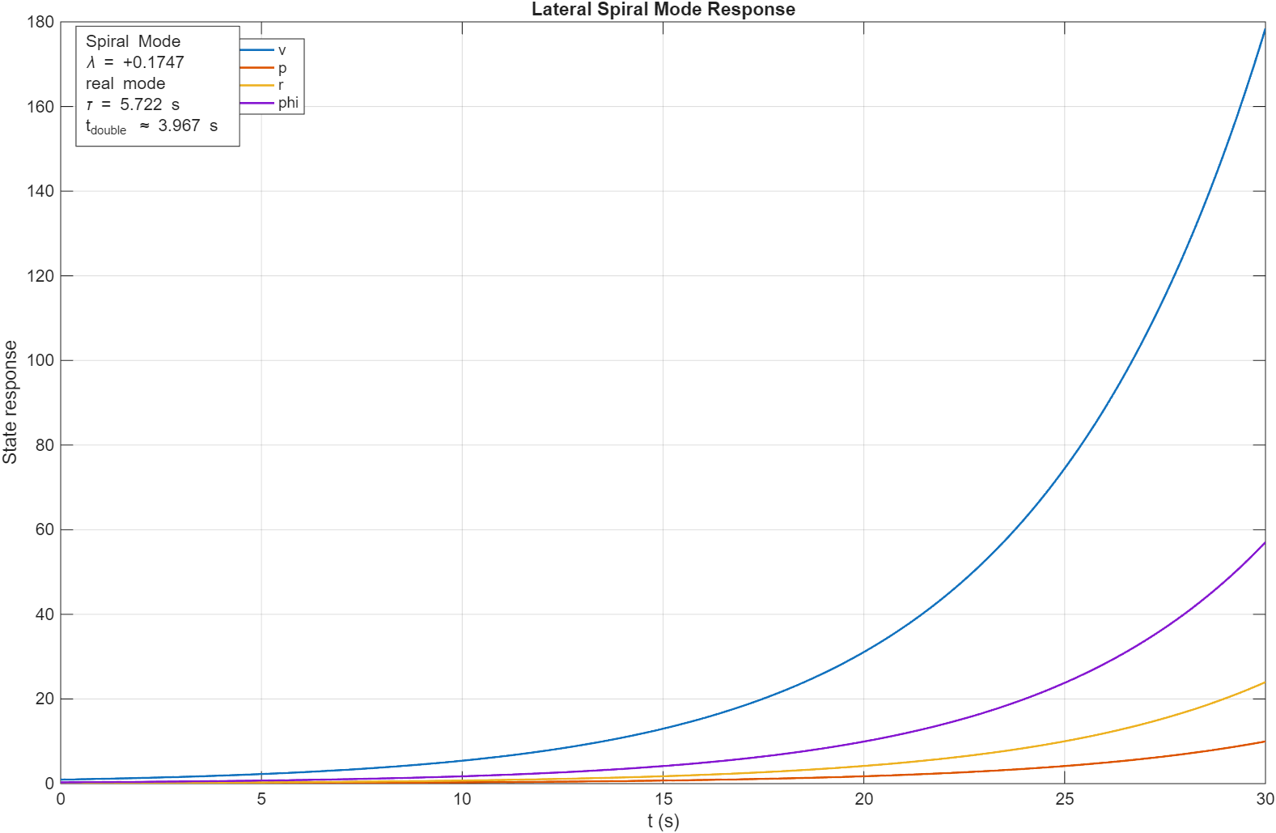
Spiral Mode:
lambda = +0.174750
tau = 5.7225 s
t_double = 3.9665 s
HQ assess = Unstable spiral, faster than nominal Level 1 criterion

🎮 Control Sizing
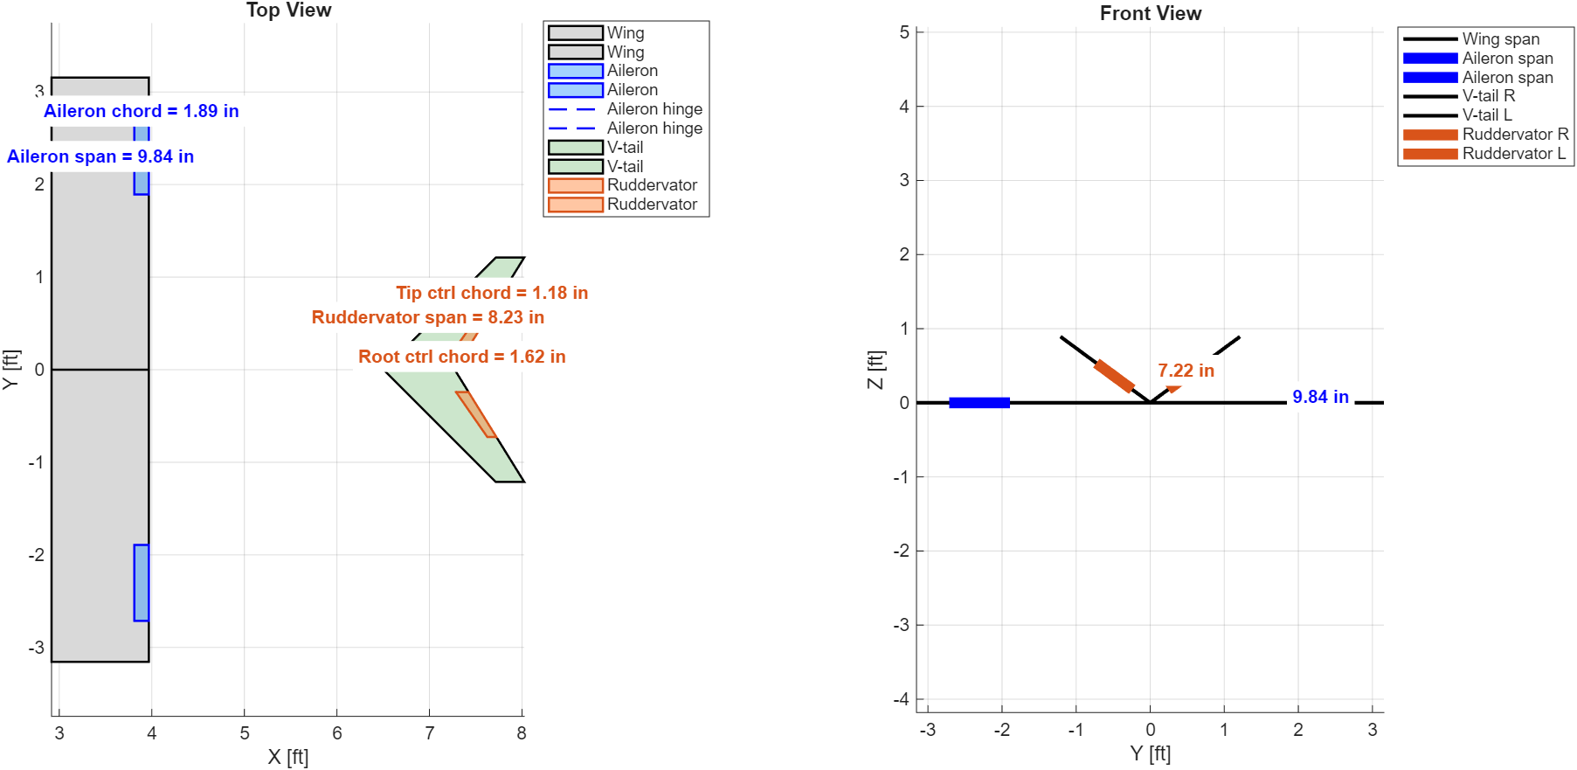
Flight mode | Target angular speed (deg/s) | Ailreon Deflection (deg) | Ruddervator Deflection (Deg) | Tip offset of surface span base | Root offset of surface span base | Chord from TE
ROLL MODE / AILERON | 25 | 9.869 | 0 | 86.00% | 60.00% | 85.00%
PITCH MODE / V-TAIL MIX | 6 | 0 | 4.885 | 60.00% | 20.00% | 80.00%
YAW MODE / V-TAIL MIX | 10 | 0 | 19.914 | 60.00% | 20.00% | 80.00%

